NW2198T
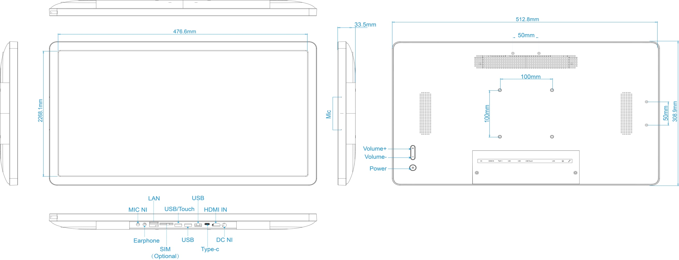
Model No |  |  | EL-2196AIO-T
Product type |  |  | Android Tablet
Product Description |  |  | 21.5" Digital Signage

System |  | CPU |  |  |  | RK3568 Quad core cortex A55
 |  | RAM |  |  |  | 2GB | Optional 4GB/8GB
 |  | Internal memory |  |  |  | 16GB | Optional 32GB/64GB
 |  | Operation system |  |  |  | Android 12
Display |  | Panel Size |  |  |  | 21.5"LCD
 |  | Panel Type |  |  |  | IPS
 |  | Resolution |  |  |  | 1920*1080
 |  | Display Colors |  |  |  | 16.7M Colors
 |  | Color Gamut |  |  |  | 72% NTSC
 |  | Display mode |  |  |  | Normally black
 |  | Viewing angle |  |  |  | 89/89/89/89L/R/U/D)
 |  | Contrast ratio |  |  |  | 3000:1
 |  | Luminance |  |  |  | 250cdm2
 |  | Aspect Ratio |  |  |  | ,16:9
 |  | Response Time |  |  |  | 7ms
 |  | Back-light Type |  |  |  | Eled
Touch |  | Model Type |  |  |  | Capacitive touch screen
 |  | Number of points |  |  |  | 10-Point
 |  | Interface for touch |  |  |  | USB
Network |  | WiFi |  |  |  | 802.11b/g/n
 |  | Ethernet |  |  |  | 100M/1000M
 |  | Bluetooth |  |  |  | Bluetooth 4.0
Interface |  | Power Jack |  |  |  | DC power input
 |  | MIC IN |  |  |  | External microphone input
 |  | Earphone Output |  |  |  | 3.5mm earphone output
 |  | Type-c |  |  |  | USB OTG Only
 |  | SIM Slot |  |  |  | Optional 4G Module
 |  | USB/USB TOUCH |  |  |  | Multi-function interface：Default USB Host 2.0 ，Connecting to HDMI IN, Optional external device with touch function
 |  | USB |  |  |  | USB 2.0
 |  | USB |  |  |  | USB 3.0
 |  | HDMI IN |  |  |  | Support 1920*1080@60HZ
 |  | RJ45 |  |  |  | Ethernet interface
Media plays |  | Video format |  |  |  | MPEG-1,MPEG-2,MPEG-4,H.265,H.264,VC-1,VP8,VP9,MVC, etc.,support up to 4K
 |  | Audio format |  |  |  | MP3/WMA/AAC/WAV/OGG, etc
 |  | Photo |  |  |  | jpeg/png/gif,etc
Other |  | Product Colors |  |  |  | white/Black
 |  | VESA |  |  |  | 100mm*100mm
 |  | Button |  |  |  | Power/Vol+/Vol-
 |  | Speaker |  |  |  | 4Ω*5W*2
 |  | Microphone |  |  |  | Standard dual Microphone , Support noise reduction and echo cancellation
 |  | POE |  |  |  | Optional （802.3bt Class6 60W )
 |  | NFC |  |  |  | Optional , 13.56MHz，ISO14443A/ISO14443B/ISO 15693/Mifare classic/Sony felica
 |  | G-sensor |  |  |  | Support 90 degrees
 |  | Camera |  |  |  | Optional External USB type camera ( vertical portrait , 8.0MP with wide-angle and wide dynamic )
 |  | Language |  |  |  | Multi-language
Accessories |  | Adapter |  |  |  | Adapter,12V/3A
 |  | User manual |  |  |  | yes

Product Measurement, mm
Unit (Without packaging) |  |  | Giftbox (With Packaging) |  |  | Carton 2pcs/CTN
L | W | H | L | W | H | L | W | H

Net(kg) | KG |  |  |  |  | Net
 |  |  |  |  |  | G.W
Drawing

